SCAN CHAIN(Y1)
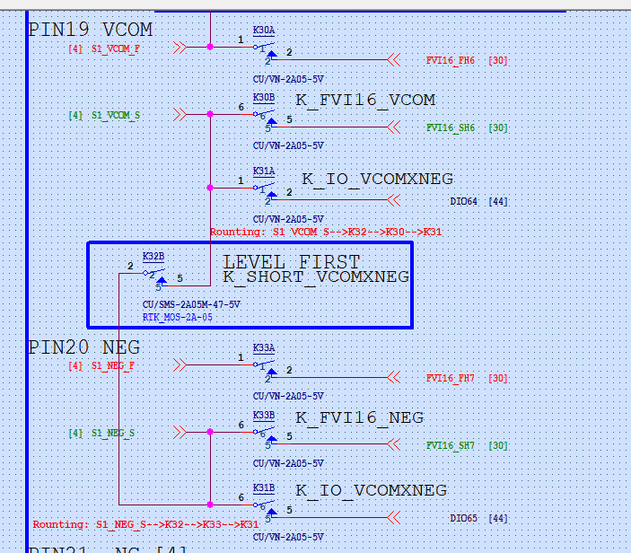
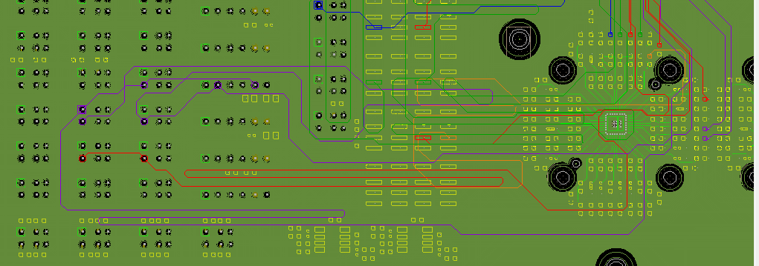
 |  | DUT TO 0R |  | 0R TO RLY |  | RLY TO DIO
Site | Ball Name | Net Name | Length | Net Name | Length | Net Name | Length | Total Length
SITE1 | EN_S25 | S1_EN_S25 | 642.72 | S1_EN_S | 5318.23 | DIO67 | 36170.28 | 42131.23
 | SCL_S26 | S1_SCL_S26 | 642.78 | S1_SCL_S | 3228.74 | DIO68 | 38259.89 | 42131.41
 | SDA_S27 | S1_SDA_S27 | 617.79 | S1_SDA_S | 2576.04 | DIO69 | 38937.25 | 42131.08
 | WP_S28 | S1_WP_S28 | 592.81 | S1_WP_S | 3992.3 | DIO70 | 37545.99 | 42131.1
 | RESET_S29 | S1_RESET_S29 | 592.81 | S1_RESET_S | 4003.03 | DIO71 | 37535.92 | 42131.76
 | VCOM_S19 | S1_VCOM_S19 | 617.79 | S1_VCOM_S | 13462.53 | DIO64 | 28050.79 | 42131.11
 | NEG_S20 | S1_NEG_S20 | 592.81 | S1_NEG_S | 8661.52 | DIO65 | 32876.84 | 42131.17
 | NTC_S23 | S1_NTC_S23 | 642.78 | S1_NTC_S | 8585.03 | DIO66 | 32903.21 | 42131.02
SITE2 | EN_S25 | S2_EN_S25 | 642.72 | S2_EN_S | 2087.41 | DIO83 | 39401.02 | 42131.15
 | SCL_S26 | S2_SCL_S26 | 642.78 | S2_SCL_S | 1605.68 | DIO84 | 39882.61 | 42131.07
 | SDA_S27 | S2_SDA_S27 | 617.79 | S2_SDA_S | 1585.59 | DIO85 | 39927.83 | 42131.21
 | WP_S28 | S2_WP_S28 | 592.81 | S2_WP_S | 1990.65 | DIO86 | 39547.59 | 42131.05
 | RESET_S29 | S2_RESET_S29 | 592.81 | S2_RESET_S | 3085.11 | DIO87 | 38453.87 | 42131.79
 | VCOM_S19 | S2_VCOM_S19 | 642.6 | S2_VCOM_S | 11330.34 | DIO80 | 30158.3 | 42131.24
 | NEG_S20 | S2_NEG_S20 | 642.64 | S2_NEG_S | 8594.6 | DIO81 | 32893.84 | 42131.08
 | NTC_S23 | S2_NTC_S23 | 642.78 | S2_NTC_S | 11749.46 | DIO82 | 29738.84 | 42131.08
SITE3 | EN_S25 | S3_EN_S25 | 642.72 | S3_EN_S | 1711.8 | DIO99 | 39776.55 | 42131.07
 | SCL_S26 | S3_SCL_S26 | 642.78 | S3_SCL_S | 1901 | DIO100 | 39587.35 | 42131.13
 | SDA_S27 | S3_SDA_S27 | 617.79 | S3_SDA_S | 2251.92 | DIO101 | 39261.52 | 42131.23
 | WP_S28 | S3_WP_S28 | 592.81 | S3_WP_S | 2369.22 | DIO102 | 39168.81 | 42130.84
 | RESET_S29 | S3_RESET_S29 | 592.81 | S3_RESET_S | 4142.38 | DIO103 | 37395.99 | 42131.18
 | VCOM_S19 | S3_VCOM_S19 | 617.79 | S3_VCOM_S | 13779.8 | DIO96 | 27733.51 | 42131.1
 | NEG_S20 | S3_NEG_S20 | 592.81 | S3_NEG_S | 7679.67 | DIO97 | 33858.6 | 42131.08
 | NTC_S23 | S3_NTC_S23 | 642.78 | S3_NTC_S | 12222.22 | DIO98 | 29266.21 | 42131.21
SITE4 | EN_S25 | S4_EN_S25 | 642.72 | S4_EN_S | 3901.13 | DIO115 | 37587.36 | 42131.21
 | SCL_S26 | S4_SCL_S26 | 642.78 | S4_SCL_S | 4540.53 | DIO116 | 36947.66 | 42130.97
 | SDA_S27 | S4_SDA_S27 | 617.79 | S4_SDA_S | 4150.94 | DIO117 | 37362.34 | 42131.07
 | WP_S28 | S4_WP_S28 | 592.81 | S4_WP_S | 4356.26 | DIO118 | 37181.9 | 42130.97
 | RESET_S29 | S4_RESET_S29 | 592.81 | S4_RESET_S | 5959.51 | DIO119 | 35578.75 | 42131.07
 | VCOM_S19 | S4_VCOM_S19 | 617.79 | S4_VCOM_S | 10062.8 | DIO112 | 31450.42 | 42131.01
 | NEG_S20 | S4_NEG_S20 | 592.81 | S4_NEG_S | 5716.11 | DIO113 | 35822.13 | 42131.05
 | NTC_S23 | S4_NTC_S23 | 642.78 | S4_NTC_S | 6481.36 | DIO114 | 35006.95 | 42131.09
SITE5 | EN_S25 | S5_EN_S25 | 642.72 | S5_EN_S | 10083.04 | DIO51 | 31405.36 | 42131.12
 | SCL_S26 | S5_SCL_S26 | 642.78 | S5_SCL_S | 11665.05 | DIO52 | 29823.23 | 42131.06
 | SDA_S27 | S5_SDA_S27 | 617.79 | S5_SDA_S | 10071.97 | DIO53 | 31441.25 | 42131.01
 | WP_S28 | S5_WP_S28 | 592.81 | S5_WP_S | 9990.94 | DIO54 | 31547.25 | 42131
 | RESET_S29 | S5_RESET_S29 | 592.81 | S5_RESET_S | 11936.01 | DIO55 | 29602.23 | 42131.05
 | VCOM_S19 | S5_VCOM_S19 | 617.79 | S5_VCOM_S | 6697.33 | DIO48 | 34815.99 | 42131.11
 | NEG_S20 | S5_NEG_S20 | 592.81 | S5_NEG_S | 6481.61 | DIO49 | 35056.75 | 42131.17
 | NTC_S23 | S5_NTC_S23 | 642.78 | S5_NTC_S | 7351.66 | DIO50 | 34136.64 | 42131.08
SITE6 | EN_S25 | S6_EN_S25 | 642.72 | S6_EN_S | 4921.16 | DIO35 | 36567.22 | 42131.1
 | SCL_S26 | S6_SCL_S26 | 642.78 | S6_SCL_S | 5085.21 | DIO36 | 36403.06 | 42131.05
 | SDA_S27 | S6_SDA_S27 | 617.79 | S6_SDA_S | 5799.72 | DIO37 | 35713.55 | 42131.06
 | WP_S28 | S6_WP_S28 | 592.81 | S6_WP_S | 5417.27 | DIO38 | 36121.12 | 42131.2
 | RESET_S29 | S6_RESET_S29 | 592.81 | S6_RESET_S | 6573.25 | DIO39 | 34964.99 | 42131.05
 | VCOM_S19 | S6_VCOM_S19 | 617.79 | S6_VCOM_S | 6197.77 | DIO32 | 35315.49 | 42131.05
 | NEG_S20 | S6_NEG_S20 | 592.81 | S6_NEG_S | 5894.62 | DIO33 | 35643.78 | 42131.21
 | NTC_S23 | S6_NTC_S23 | 642.78 | S6_NTC_S | 11920.14 | DIO34 | 29568.3 | 42131.22
SITE7 | EN_S25 | S7_EN_S25 | 642.72 | S7_EN_S | 5158.54 | DIO19 | 36329.89 | 42131.15
 | SCL_S26 | S7_SCL_S26 | 642.78 | S7_SCL_S | 4629.53 | DIO20 | 36858.85 | 42131.16
 | SDA_S27 | S7_SDA_S27 | 617.79 | S7_SDA_S | 4437.77 | DIO21 | 37075.66 | 42131.22
 | WP_S28 | S7_WP_S28 | 592.81 | S7_WP_S | 4750.72 | DIO22 | 36787.28 | 42130.81
 | RESET_S29 | S7_RESET_S29 | 592.81 | S7_RESET_S | 6512.19 | DIO23 | 35026.59 | 42131.59
 | VCOM_S19 | S7_VCOM_S19 | 617.79 | S7_VCOM_S | 11123.97 | DIO16 | 30389.28 | 42131.04
 | NEG_S20 | S7_NEG_S20 | 592.81 | S7_NEG_S | 12251.95 | DIO17 | 29286.34 | 42131.1
 | NTC_S23 | S7_NTC_S23 | 642.78 | S7_NTC_S | 13095.04 | DIO18 | 28393.4 | 42131.22
SITE8 | EN_S25 | S8_EN_S25 | 642.72 | S8_EN_S | 10586.42 | DIO3 | 30901.88 | 42131.02
 | SCL_S26 | S8_SCL_S26 | 642.78 | S8_SCL_S | 10412.92 | DIO4 | 31075.77 | 42131.47
 | SDA_S27 | S8_SDA_S27 | 617.79 | S8_SDA_S | 6967.99 | DIO5 | 34545.46 | 42131.24
 | WP_S28 | S8_WP_S28 | 592.81 | S8_WP_S | 8606.97 | DIO6 | 32931.26 | 42131.04
 | RESET_S29 | S8_RESET_S29 | 592.81 | S8_RESET_S | 11422.51 | DIO7 | 30115.7 | 42131.02
 | VCOM_S19 | S8_VCOM_S19 | 617.79 | S8_VCOM_S | 10275.28 | DIO0 | 31238.08 | 42131.15
 | NEG_S20 | S8_NEG_S20 | 592.81 | S8_NEG_S | 8480.76 | DIO1 | 33057.48 | 42131.05
 | NTC_S23 | S8_NTC_S23 | 642.78 | S8_NTC_S | 10292.56 | DIO2 | 31195.81 | 42131.15
 |  | MAX | 642.78 | MAX | 13779.8 | MAX | 39927.83 | MAX | 42131.79
 |  | MIN | 592.81 | MIN | 1585.59 | MIN | 27733.51 | MIN | 42130.81
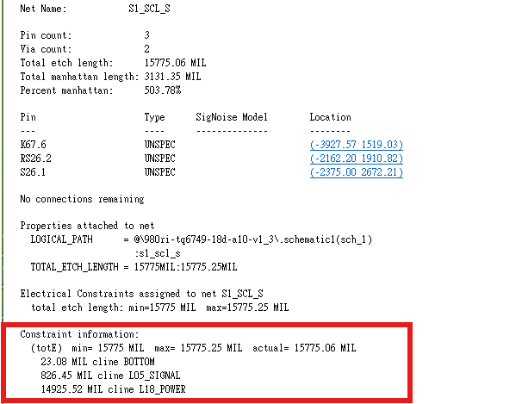
 |  | MAX-MIN | 49.97 | MAX-MIN | 12194.21 | MAX-MIN | 12194.32 | MAX-MIN | 0.98
 |  | Standard(mil) |  | Standard(mil) |  | Standard(mil) |  | Standard(mil) | 1
 |  |  | None |  | None |  | None |  | PASS

 |  | not for segment eqlength |  |  |  |  |  |  | only need to meet total eqlength requirement
 | 1 | keep these two trace as short as possible |  |  |  | tune the total eq length by DIO segment
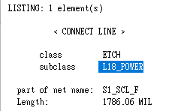

 | 2 | scan chain/ scan chain force should trace on GPG layer，can't trace on GPPG layer
 |  |  |  |  |  | can't use L11,12/14,15/17,18/

 | 3 | route of VCOM/NEG is reversed ,K31 should be the goal

SCAN CHAIN FORCE(5mil)
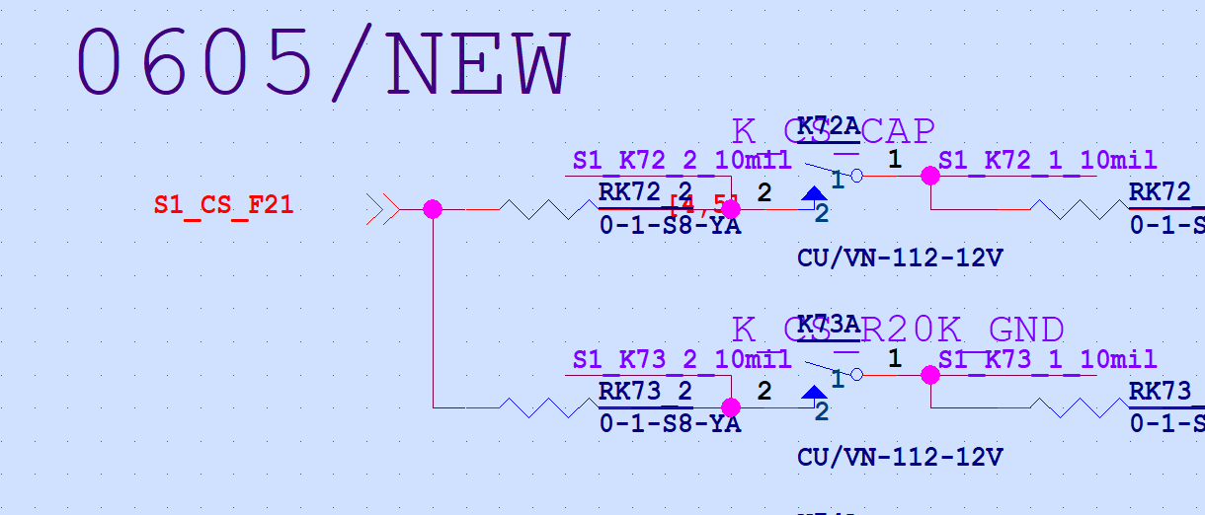
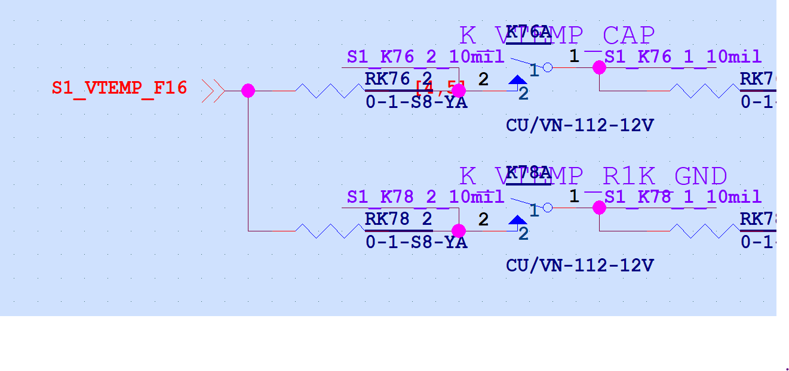
 |  | sorry,orange net are naming miss, please fix the length

 |  | DUT TO 0R |  | 0R TO RLY
Site | Ball Name | Net Name | Length | Net Name | Length | Total Length
SITE1 | EN_F25 | S1_EN_F25 | 686.82 | S1_EN_F | 7422.76 | 8109.58
 | SCL_F26 | S1_SCL_F26 | 470.15 | S1_SCL_F | 7639.09 | 8109.24
 | SDA_F27 | S1_SDA_F27 | 446.25 | S1_SDA_F | 7663.28 | 8109.53
 | WP_F28 | S1_WP_F28 | 428.62 | S1_WP_F | 7680.63 | 8109.25
 | RESET_F29 | S1_RESET_F29 | 428.28 | S1_RESET_F | 7680.93 | 8109.21
SITE2 | EN_F25 | S2_EN_F25 | 686.82 | S2_EN_F | 7422.64 | 8109.46
 | SCL_F26 | S2_SCL_F26 | 470.15 | S2_SCL_F | 7639.33 | 8109.48
 | SDA_F27 | S2_SDA_F27 | 446.25 | S2_SDA_F | 7663.27 | 8109.52
 | WP_F28 | S2_WP_F28 | 428.62 | S2_WP_F | 7680.65 | 8109.27
 | RESET_F29 | S2_RESET_F29 | 428.28 | S2_RESET_F | 7681.21 | 8109.49
SITE3 | EN_F25 | S3_EN_F25 | 686.82 | S3_EN_F | 7422.59 | 8109.41
 | SCL_F26 | S3_SCL_F26 | 470.15 | S3_SCL_F | 7639.29 | 8109.44
 | SDA_F27 | S3_SDA_F27 | 446.25 | S3_SDA_F | 7663.24 | 8109.49
 | WP_F28 | S3_WP_F28 | 428.62 | S3_WP_F | 7680.99 | 8109.61
 | RESET_F29 | S3_RESET_F29 | 428.28 | S3_RESET_F | 7681.35 | 8109.63
SITE4 | EN_F25 | S4_EN_F25 | 686.82 | S4_EN_F | 7422.66 | 8109.48
 | SCL_F26 | S4_SCL_F26 | 470.15 | S4_SCL_F | 7639.1 | 8109.25
 | SDA_F27 | S4_SDA_F27 | 446.25 | S4_SDA_F | 7663.34 | 8109.59
 | WP_F28 | S4_WP_F28 | 428.62 | S4_WP_F | 7680.85 | 8109.47
 | RESET_F29 | S4_RESET_F29 | 428.28 | S4_RESET_F | 7680.99 | 8109.27
SITE5 | EN_F25 | S5_EN_F25 | 686.82 | S5_EN_F | 7422.75 | 8109.57
 | SCL_F26 | S5_SCL_F26 | 470.15 | S5_SCL_F | 7639.45 | 8109.6
 | SDA_F27 | S5_SDA_F27 | 446.25 | S5_SDA_F | 7662.96 | 8109.21
 | WP_F28 | S5_WP_F28 | 428.62 | S5_WP_F | 7680.98 | 8109.6
 | RESET_F29 | S5_RESET_F29 | 428.28 | S5_RESET_F | 7681.06 | 8109.34
SITE6 | EN_F25 | S6_EN_F25 | 686.82 | S6_EN_F | 7422.71 | 8109.53
 | SCL_F26 | S6_SCL_F26 | 470.15 | S6_SCL_F | 7639.27 | 8109.42
 | SDA_F27 | S6_SDA_F27 | 446.25 | S6_SDA_F | 7663.39 | 8109.64
 | WP_F28 | S6_WP_F28 | 428.62 | S6_WP_F | 7680.97 | 8109.59
 | RESET_F29 | S6_RESET_F29 | 428.28 | S6_RESET_F | 7680.89 | 8109.17
SITE7 | EN_F25 | S7_EN_F25 | 686.82 | S7_EN_F | 7422.59 | 8109.41
 | SCL_F26 | S7_SCL_F26 | 470.15 | S7_SCL_F | 7639.29 | 8109.44
 | SDA_F27 | S7_SDA_F27 | 446.25 | S7_SDA_F | 7663.21 | 8109.46
 | WP_F28 | S7_WP_F28 | 428.62 | S7_WP_F | 7680.63 | 8109.25
 | RESET_F29 | S7_RESET_F29 | 428.28 | S7_RESET_F | 7681.39 | 8109.67
SITE8 | EN_F25 | S8_EN_F25 | 686.82 | S8_EN_F | 7422.57 | 8109.39
 | SCL_F26 | S8_SCL_F26 | 470.15 | S8_SCL_F | 7639.19 | 8109.34
 | SDA_F27 | S8_SDA_F27 | 446.25 | S8_SDA_F | 7663.25 | 8109.5
 | WP_F28 | S8_WP_F28 | 428.62 | S8_WP_F | 7680.61 | 8109.23
 | RESET_F29 | S8_RESET_F29 | 428.28 | S8_RESET_F | 7681.05 | 8109.33
 |  | MAX | 686.82 | MAX | 7681.39 | MAX | 8109.67
 |  | MIN | 428.28 | MIN | 7422.57 | MIN | 8109.17
 |  | MAX-MIN | 258.54 | MAX-MIN | 258.82 | MAX-MIN | 0.5
 |  | Standard(mil) |  | Standard(mil) |  | Standard(mil) | 1
 |  |  | None |  | None |  | PASS

 |  | same question as scan cain(Y1), only need to meet the total length equal requirement, and please let this length as short as possible

